5

client_id | first_name | last_name | province | city | postal_code
23 | Khalid | Boul | Noord-Holland | Almaar | 1825HH |  | 2NF
24 | Zin | Zidane | Noord-Holland | LAnge | 1834DK
25 | Ruud | Van | Noord-Holland | Schemer | 1844JJ
19 | Phillip | Cocu | Noord-Holland | Hello | 1850WI

client_id | first_name | last_name | place_id
23 | Khalid | Boul | 1
24 | Zin | Zidane | 2 |  | 3NF
25 | Ruud | Van | 3
19 | Phillip | Cocu | 4

 |  |  | place_id | province | city | postal_code
 |  |  | 1 | Noord-Holland | Almaar | 1825HH
 |  |  | 2 | Noord-Holland | LAnge | 1834DK
 |  |  | 3 | Noord-Holland | Schemer | 1844JJ
 |  |  | 4 | Noord-Holland | Hello | 1850WI

6
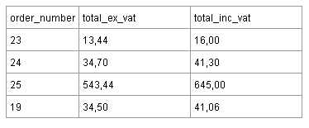
order_number | total_ex_vat | total_inc_vat
23 | 13,44 | 16,00
24 | 34,70 | 41,30 |  | 2NF
25 | 534,44 | 645,00
19 | 34,50 | 41,06

order_number | total_ex_vat
23 | 13,44
24 | 34,70 |  | 3NF
25 | 534,44
19 | 34,50

